Sheet2
DISTRICT INFORMATION

1 | 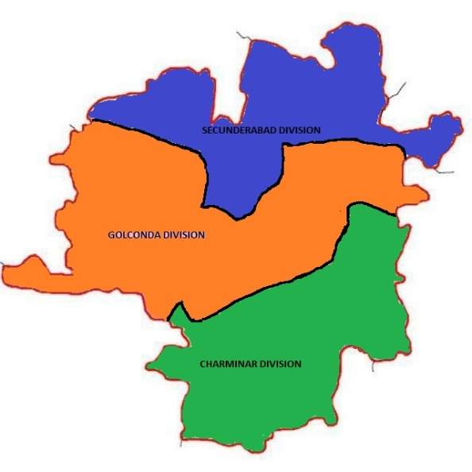 District Map: https://goo.gl/maps/rSupR6mHcXDBCQoB6
2 | District Administration:
 | i) | District Collector | Name | Address | Phone No.
 |  | Hyderabad District | Smt Sweta Mohanty, IAS | Nampally, 5-8-505, Chirag Ali Lane, Abids, Hyderabad, Telangana 500001 | 040-23202813
 | ii) | District Coop. Officer | Name | Address | Phone No.
 |  | Hyderabad District | Ch. Bala Raju, Joint Registrar/ District Cooperative Officer, Hyderabad District | 5th Floor, Grukalpa Building, Opp. Gandhi Bhavan, M. J. Road, Nampally, Hyderabad - 500 001. | 9100115759
 | a) | Charminar Divison | Smt. Esther Rani John, Deputy Registrar of Coop. Societies, Charminar, Hyderabad | 4th Floor, Grukalpa Building, Opp. Gandhi Bhavan, M. J. Road, Nampally, Hyderabad - 500 001. | 9100115767
 | b) | Golconda Division | Smt. S. Aruna Devi Ganesh, Deputy Registrar of Coop. Societies, Golconda, Hyderabad | 5th Floor, Grukalpa Building, Opp. Gandhi Bhavan, M. J. Road, Nampally, Hyderabad - 500 001. | 7989322263
 | c) | Secunderabad Divison | Smt. A. Padma, Deputy Registrar of Coop. Societies, Secunderabad, Hyderabad | 5th Floor, Grukalpa Building, Opp. Gandhi Bhavan, M. J. Road, Nampally, Hyderabad - 500 001. | 9849915483
 | iii) | District Audit officer | Name | Address | Phone No.
 |  | Hyderabad District | Smt. R. Sangeetha, Deputy Registrar/ Audit Officer | 5th Floor, Grukalpa Building, Opp. Gandhi Bhavan, M. J. Road, Nampally, Hyderabad - 500 001. | 7337317340

3 | Information of Societies in the District: Hyderabad District
 | Sl. No. | TSCS Act, 1964 |  | TS MACS Act, 1995
 |  | Type of Society | No. of Societies | Type of Society | No. of Societies
 | 1 | LCCS | 689 | CREDIT | 519
 | 2 | ECCS | 334 | HOUSING | 222
 | 3 | HOUSING | 624 | FLAT OWNERS | 45
 | 4 | CONSUMER | 212
 | 5 | FISHERIES | 13
 | 6 | INDUSTRIAL /BWICS | 95
 | 7 | CANTEEN | 9
 | 8 | URBAN BANK | 26
 | 9 | FLAT OWNERS | 14
 | 10 | WASHER MAN | 3
 | 11 | PIGGRIES | 1
 | 12 | OTHERS | 37
 |  | Total | 2057 | Total | 786

